Z Hole Particle Summary
Z hole Particle Summary ( Cutoff 2nd May -After Bush Implementation )
Rejection Date | Particle Type | Particle Location | Particle Chemistry | Particle Size | Particle Source AS per report | Photo | Action Taken
11-Dec-23 | Non metallic | Z Hole | Poly(ethylene), Low density | NA
13-Dec-23 | Non metallic | Z Hole | NA | NA
14-Dec-23 | Metallic | Z Hole | NA | NA
14-Dec-23 | Metallic | Z Hole | Cr- Mn Steel | 655
14-Dec-23 | Metallic | Z Hole | NA | NA
15-Dec-23 | Non metallic | Z Hole | Melinex type s/92 guage*polyster film | NA
27-Jan-24 | Non metallic | Z Hole | Poly(ethylene), Low density | NA
29-Jan-24 | Non metallic | Z Hole | NA | NA
31-Jan-24 | Non metallic | Z Hole | NA | NA
23-Feb-24 | Non metallic | Z Hole | Docosane: CH3(CH2)20 CH3 | 2018
28-Feb-24 | Non metallic | Z Hole | Abson 89110*Acrylonitrile/Butadiene/Styrene compound | 1650
14-Mar-24 | Metallic | Z Hole | NA | NA
14-Mar-24 | Metallic | Z Hole | Cr- Mn Steel | 405
29-Mar-24 | Metallic | Z Hole | NA | NA
6-Apr-24 | Metallic | Z Hole | SS-AISI 430 | 1350
12-Apr-24 | Metallic | Z Hole | SS 410/ AISID2/ SS 420 | 690
26-Apr-24 | Metallic | Z Hole | 1.5 Mn Steel | 370
4-May-24 | Non metallic | Nozzle | Poly (Ethylene Terephathalate ) | Length – 1.29 mm ; Width – 0.53 mm | o-ring removal Tool , Body bracket for cleaning
6-May-24 | Non metallic | Nozzle | Melinex type S/92 Gauge * Polyester Film | Length – 1.07 mm ; Width – 0.05 | CR holder fixture block , Sticker backpaper
10-May-24 | Metallic | Z hole | SS 434 | Length – 550 µm ; Width – 315 µm | Body gripper Jaw , Armature group measuring body , | 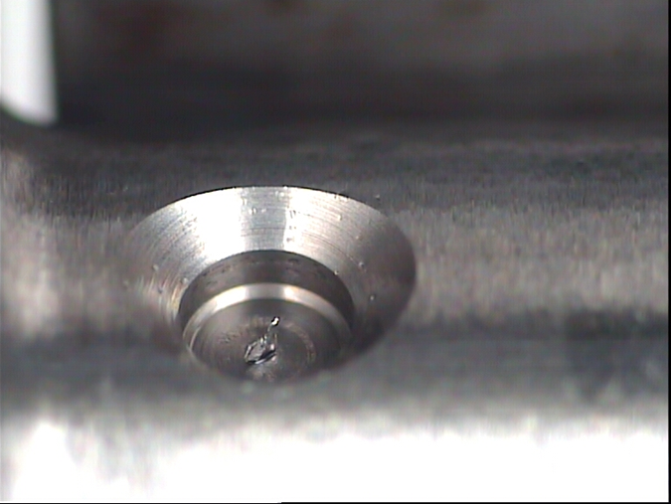 | - Checking three parts from existing pallet for particle contamination – Anurag Kadam – 13.05.24 - All harden clamping positions are made of SS420 and trays are made of SS304 - Verified with TEF2 - Confirmation of Leica reports for injectors – Anurag Kadam – 13.05.24 - Completed No deviation found. - Analysis of all probable contamination source (measuring head) completed along with CFT - No abnormality found on measuring head. – Completed
11-May-24 | Metallic | Nozzle | Cr-Mn Steel | Length – 240 µm ; Width – 165 µm | Injector body , magnet sleeve , magnet core , Armature plate | 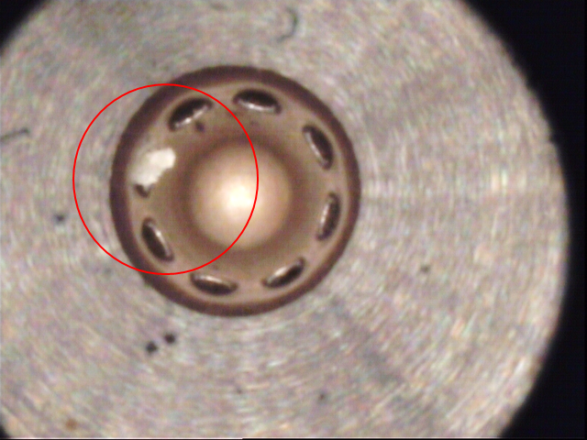 | Actions as per 4Q
13-May-24 | Metallic | Nozzle | SS 434 | 1) Length - 190 µm ; Width - 170 µm 2) Length - 210 µm ; Width - 160 µm 3) Length - 320 µm ; Width - 165 µm 4) Length - 260 µm ; Width - 175 µm 5) Length - 200 µm ; Width - 170 µm 6) Length - 210 µm ; Width - 145 µm 7) Length - 195 µm ; Width - 190 µm | Body gripper jaw , Armature group measuring body , Measuring head pin body side | 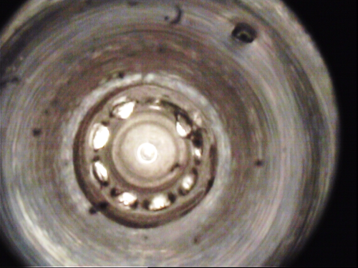 | Source identificaiton in process
13-May-24 | Metallic | Nozzle | SS 434 | 1) Length - 175 µm ; Width - 145 µm 2) Length - 190 µm ; Width - 185 µm 3) Length - 235 µm ; Width - 150 µm 4) Length - 195 µm ; Width - 170 µm 5) Length - 220 µm ; Width - 175 µm 5) Length - 190 µm ; Width - 110 µm | Body gripper jaw , Armature group measuring body , Measuring head pin body side | 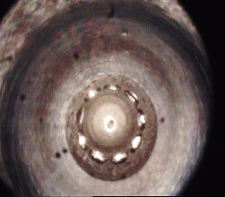 | Source identificaiton in process
13-May-24 | Metallic | Z hole | SS 434 | 1) Length - 285 µm ; Width - 185 µm | Body gripper jaw , Armature group measuring body , Measuring head pin body side | 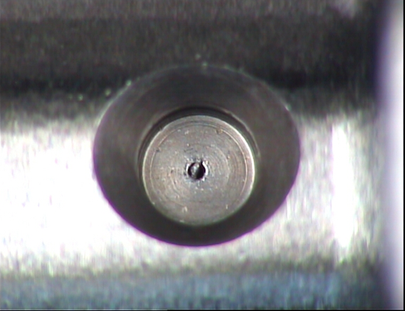 | Source identificaiton in process
30-May-24 | Metallic | Z hole | Ni alloy | Length - 782 µm ; Width - 189 µm | HP.4-CRIN HD Mounting unit clamp 95.2 pneumatic position |  | 1. Immediate line walk with CFT 2.Loose particle from HD fixture collected
1-Jun-24 | Metallic | Z hole | SS302/304 | Length - 395 µm ; Width - 110 µm | Pneumatic unit Bal guide vibratory Bowl for CRIN |  | 1. Line walk done to identify source 2. valve set tray electropolishing to be done
3-Jun-24 | Metallic | Z hole | Leaded plain carbon steel (ZnP Coating) | Length - 460 µm ; Width - 115 µm | CRI NHB, CRI IC stud | 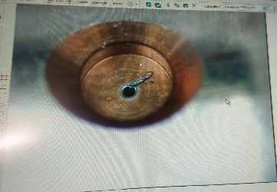 | Action speed day done action indentified
6-Jun-24 | Metallic | Z hole | Ni alloy with Low alloy steel | Length - 1000 µm ; Width - 50 µm | 95.2 pneumatic position ,HP.4-CRIN HD Mounting unit clamp | 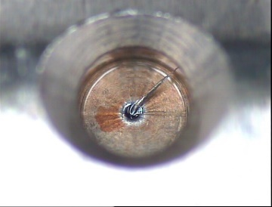 | action identified to change coated material HD fixture with SS hard
12-Jun-24 | Metallic | Z hole | Zn flake | Length - 225 µm ; Width - 210 µm | Loose particle from tanks | 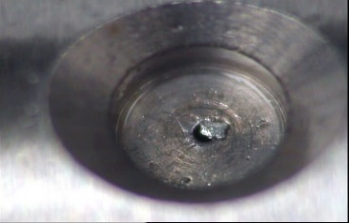 | Line walk conducted.. Action speed day done action indentified
14-Jun-24 | Metallic | Z hole | SS316 L | Length - 525 µm ; Width - 177 µm | Station No. 31.10: Suction head, General purpose jigs and fixtures | 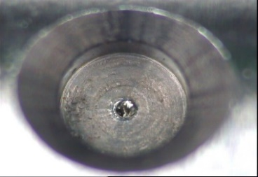 | No relevant source found on line, further source identification with QMM8 in process
28-Jun-24 | Metallic | Z hole | Cr- Mn Steel | Length - 210 µm ; Width - 90 µm | Injector holding fxture Valve set pressing body hlding position | 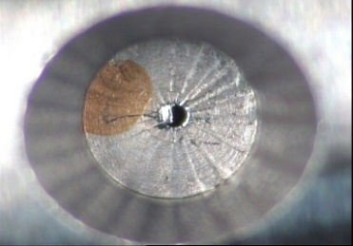 | station 80 suction improvement planned in this week by TEF3

